Cover Sheet
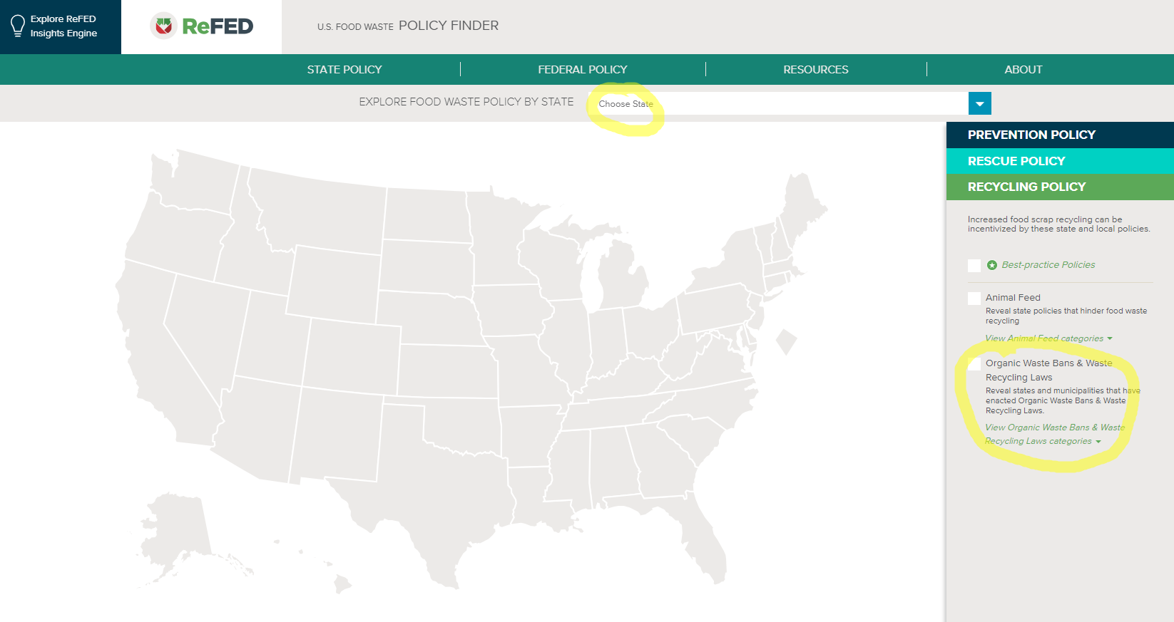
This Food Waste Tracking Sheet was developed by CET in conjunction with the Food Waste Tracking Guide to assist food establishments in measuring their discarded food in order to make informed decisions about reducing, donating and diverting food. Funding was provided by EPA Region 1.

Although the information in this document has been funded wholly or in part by the Environmental Protection Agency, under assistance agreement HC-00A00800-0 to the Center for EcoTechnology, it has not been subjected to the Agency’s publications review process and therefore, may not reflect the views of the Agency and no official endorsement should be inferred.

Data in volume is converted to weight using the EPA conversions. If your density is higher or lower, feel free to adjust your formula. |  | EPA Volume to Weight Conversion Factors

Food Waste Tracking Guide PDF
Explore Source Reduction Methods

Is your business subject to a food waste disposal ban, law, or regulation?
Review your State Policy at | ReFED

